Teams logistical needs
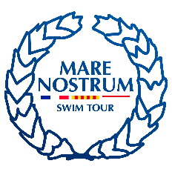
 |  | MARE NOSTRUM 2026 ®
 |  | CANET EN ROUSSILLON, MAY 27 & 28
 |  | XXXVIII International Swimming Meeting
TEAMS LOGISTICAL NEEDS / BESOINS LOGISTIQUES
 |  | To be received by Canet 66 Natation no later than 15/04/2026
 |  | Please return form by email to canet66natation@gmail.com
 |  | Please complete form in BLOCK LETTERS in English

 | Federation / Club: |  |  |  | Country:

 | Address: |  |  |  | Postal Code - City:

 | Name of contact person: |  |  |  | Role/Function:

 | Email address: |  |  |  | Telephone:

 | ACCOMMODATION AND RESTAURATION:

 | Rooms reservation:
 | Hotel: | contact: Virginie: v.fotia@canet-tourisme.com

 | Single Rooms: |  |  | full board |  | from |  | to

 | Twin Rooms:

 | Triple Rooms: |  |  | Meals reserved must be paid if not cancelled 48 hours in advance

 | About payment of booking rooms, Imagine Canet will send you a pro-forma invoice, as soon as they receive
 | your information.
 | TRANSPORTATION

 | Arrival FROM Country of origin |  |  |  | Departure To destination Country

 | Select your mode of transportation: |  |  |  | Select your mode of transportation:

 | Date: | Origin: | Time: |  | Date: | Destination: | Time:
 | (dd/mm/yyyy) |  | (hh:mm) |  | (dd/mm/yyyy) |  | (hh:mm)

 | MARE NOSTRUM INTERCITIES TRANSPORTATION

 |  |  |  |  |  |  |  |  | number | Seats:

 | Bus from Canet en Roussillon to Barcelona , departure 29 May, 2026 09.00 am price: 40 € |  |  |  |  |  |  |  |  | 0
 |  |  |  | Total entries - 14 € each |  |  |  |  |  | 0
 |  |  |  |  |  |  |  |  | total | 0

 | Bookings and payments concerning the intermeeting transports must be done to the organisation
 | canet66natation@gmail.com

Visa Form
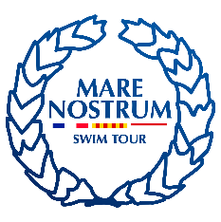 |  | MARE NOSTRUM 2026®
 |  | CANET EN ROUSSILLON, MAY 27 & 28
 |  | XXXVII International Swimming Meeting
 |  | VISA FORM
 |  | To be received by Canet 66 Natation no later than 10/05/2026
 |  | Please return form by email to canet66natation@gmail.com
 |  | Please complete form in BLOCK LETTERS in English

 | Federation / Club: |  |  |  | Country:

 | Address: |  |  |  | Postal Code - City:

 | Name of contact person: |  |  |  | Role/Function:

 | Email address: |  |  |  | Telephone:

 | PARTICIPATION: |  |  | VISA PERIOD:

 | TEAM MEMBERS:
 | First Name: |  | Surname: | Function: |  | Date of Birth: | Passport number:
1
2
3
4
5
6
7
8
9
10
11
12
13
14
15
16
17
18
19
20
21
22
23
24
25
26
27
28
29
30
31
32
33
34
35
36
37
38
39
40

support swimmers
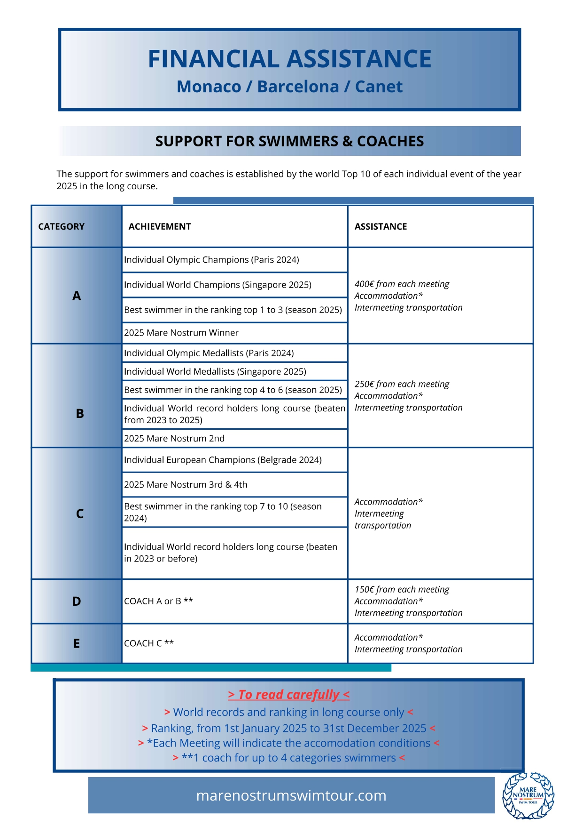
 |  | MARE NOSTRUM 2025®
 |  | CANET EN ROUSSILLON, MAY 24 & 25
 |  | XXXVII International Swimming Meeting
 |  | FINANCIAL ASSISTANCE
 |  | To be received by Canet 66 Natation no later than 02/05/2025
 |  | Please return form by email to canet66natation@gmail.com
 |  | Please complete form in BLOCK LETTERS in English

 | Federation / Club: |  |  |  | Country:

 | Address: |  |  |  | Postal Code - City:

 | Name of contact person: |  |  |  | Role/Function:

 | Email address: |  |  |  | Telephone:

 | SWIMMERS CATEGORIE
 | First Name: |  | Surname: | CATEGORY
1
2
3
4
5
6
7
8
9
10
11
12
13
14
15
16
17
18
19

